Sheet1
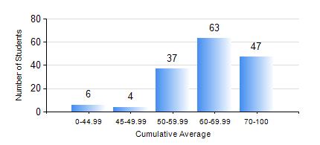
 |  |  | KWAME NKRUMAH UNIVERSITY OF SCIENCE AND TECHNOLOGY, KUMASI Department of Geological Engineering

 |  |  | BSC. GEOLOGICAL ENG.

 |  |  | COMPREHENSIVE RECORD OF EXAMINATION RESULTS

 |  |  | RESULTS OF YEAR 2 FIRST SEMESTER, 2019/2020 ACADEMIC YEAR

 | Sn | Course Code |  | Course Name | Credit Hours | Min. Mark | Max. Mark | Avg. Mark | Std. Dev. | No. Passed | No. Trailed | No. (Df) | No. (I) | No. (I*) | No. Tagged(I,I*,Df) | Total
 | 0. |  |  |  |  |  |  | 0 | 0 | 0 | 0 | 0 | 0 | 0 | 0 | 11
 | 1. | CE 251 |  | STRENGTH OF MATERIALS | 2 | 13 | 94 | 62 | 17.1 | 133 | 13 | 0 | 0 | 0 | 0 | 146
 | 2. | CE 255 |  | THEORY OF STRUCTURES | 3 | 0 | 98 | 58 | 17.04 | 135 | 11 | 0 | 0 | 0 | 0 | 146
 | 3. | CENG 291 |  | ENGINEERING IN SOCIETY | 2 | 18 | 92 | 64 | 12.15 | 143 | 3 | 0 | 0 | 0 | 0 | 146
 | 4. | GED 251 |  | MINERALOGY | 3 | 32 | 83 | 60 | 10.94 | 139 | 7 | 0 | 0 | 0 | 0 | 146
 | 5. | GED 253 |  | PHYSICAL GEOLOGY | 3 | 3 | 90 | 72 | 14.03 | 143 | 3 | 0 | 0 | 0 | 0 | 146
 | 6. | GED 267 |  | COMPUTER PROGRAMMING | 2 | 0 | 93 | 63 | 15.69 | 136 | 10 | 0 | 0 | 0 | 0 | 146
 | 7. | MATH 251 |  | DIFFERENTIAL EQUATIONS | 4 | 10 | 84 | 54 | 11.46 | 142 | 4 | 0 | 0 | 0 | 0 | 146

